Sheet1
Original file data | Data structure | Sample number
 |  |  |  | Processed data
TKP data file
147 | Pressure samples | 1 | TDC | 0 | 75.8
179 |  | 2 |  | 1 | 100.8
195 |  | 3 |  | 2 | 113.3
200 |  | 4 |  | 3 | 117.2
201 |  | 5 |  | 4 | 118.0
201 |  | 6 |  | 5 | 118.0
201 |  | 7 |  | 6 | 118.0
201 |  | 8 |  | 7 | 118.0
201 |  | 9 |  | 8 | 118.0
201 |  | 10 |  | 9 | 118.0
201 |  | 11 |  | 10 | 118.0
201 |  | 12 |  | 11 | 118.0
201 |  | 13 |  | 12 | 118.0
194 |  | 14 |  | 13 | 112.5
184 |  | 15 |  | 14 | 104.7
171 |  | 16 |  | 15 | 94.5
158 |  | 17 |  | 16 | 84.4
147 |  | 18 |  | 17 | 75.8
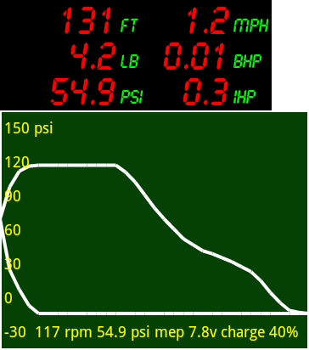
137 |  | 19 |  | 18 | 68.0
127 |  | 20 |  | 19 | 60.2
121 |  | 21 |  | 20 | 55.5
115 |  | 22 |  | 21 | 50.8
112 |  | 23 |  | 22 | 48.4
108 |  | 24 |  | 23 | 45.3
104 |  | 25 |  | 24 | 42.2
99 |  | 26 |  | 25 | 38.3
94 |  | 27 |  | 26 | 34.4
85 |  | 28 |  | 27 | 27.3
73 |  | 29 |  | 28 | 18.0
63 |  | 30 |  | 29 | 10.2
55 |  | 31 |  | 30 | 3.9
53 |  | 32 | BDC | 31 | 2.3
52 |  | 33 |  | 31 | 1.6
52 |  | 34 |  | 30 | 1.6
52 |  | 35 |  | 29 | 1.6
52 |  | 36 |  | 28 | 1.6
52 |  | 37 |  | 27 | 1.6
52 |  | 38 |  | 26 | 1.6
52 |  | 39 |  | 25 | 1.6
52 |  | 40 |  | 24 | 1.6
52 |  | 41 |  | 23 | 1.6
52 |  | 42 |  | 22 | 1.6
52 |  | 43 |  | 21 | 1.6
52 |  | 44 |  | 20 | 1.6
52 |  | 45 |  | 19 | 1.6
52 |  | 46 |  | 18 | 1.6
52 |  | 47 |  | 17 | 1.6
52 |  | 48 |  | 16 | 1.6
52 |  | 49 |  | 15 | 1.6
52 |  | 50 |  | 14 | 1.6
52 |  | 51 |  | 13 | 1.6
52 |  | 52 |  | 12 | 1.6
52 |  | 53 |  | 11 | 1.6
52 |  | 54 |  | 10 | 1.6
52 |  | 55 |  | 9 | 1.6
52 |  | 56 |  | 8 | 1.6
52 |  | 57 |  | 7 | 1.6
52 |  | 58 |  | 6 | 1.6
52 |  | 59 |  | 5 | 1.6
52 |  | 60 |  | 4 | 1.6
52 |  | 61 |  | 3 | 1.6
60 |  | 62 |  | 2 | 7.8
76 |  | 63 |  | 1 | 20.3
96 |  | 64 |  | 0 | 35.9
TKP Setup data
0 | hi byte of rpm
117 | lo byte of rpm
Engine name | text field
Operator name | text field
Notes/serial number | text field
6 | stroke (in)
12 | conrod (in)
Company name | text field
150 | range (psi)
100 | working pressure (psi)
Steam | or air
0 | range number
1/25/12 | date/time
1 | bore (in)
1 | crank(in)
2 | no. of cylinders
3.70 | wheel diameter (in)
0 | Spare data space
0
0
0
0
0
0
0
0
0
0
0
0
0
0
0
0
0
0
0
0
0
0
0
0
0
0
0
0
0
0
0
0
0
0
0
0
0
0
0
0
0
0
0
0
0
0
0
0
0
0
0
0
0
0
0
0
0
0
0
0
0
0
0

